Dashboard
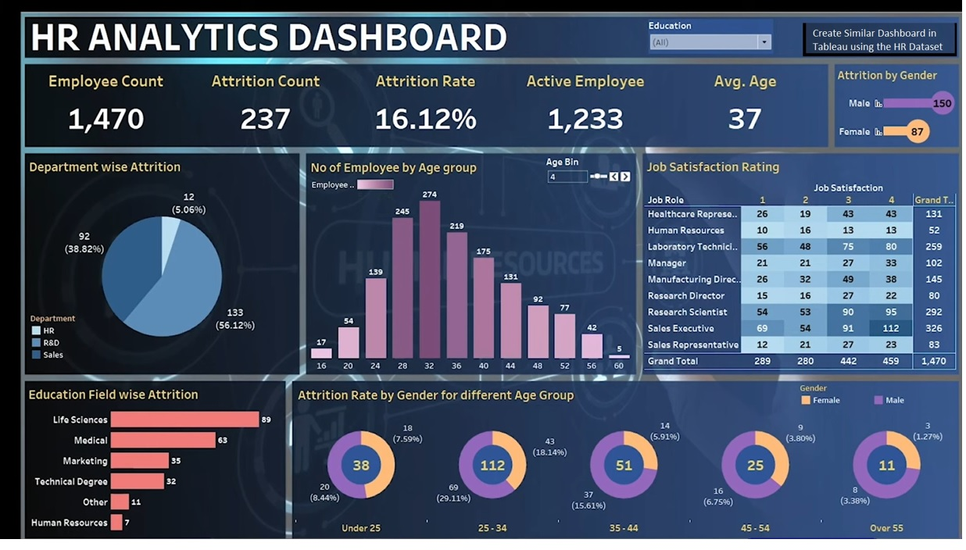

Donought Chart | Combination of Pie Chart & Shape

